1. Title Page
Instacart Grocery Analysis

Project Name: Instacart Grocery Analysis
Date: March 5, 2022
Analyst Name: Peter M

Contents:
Population Flow
Consistency checks
Wrangling steps
Column derivations
Visualizations
Recommendations

Data Source
Citation - "The Instacart Online Grocery Shopping Dataset 2017"

Link - https://www.instacart.com/datasets/grocery-shopping-2017

Objective:
You’re an analyst for an existing company, Instacart, an online grocery store that operates through an app. Instacart already has very good sales, but they want to uncover more information about their sales patterns. Your task is to perform an initial data and exploratory analysis of some of their data in order to derive insights and suggest strategies for better segmentation based on the provided criteria.

2. Population Flow
Instacart Grocery Analysis

Population flow

Exclusion flag
Condition: max_order < 5
Obervations to be removed: 1,440,355
Final total count of order_products_all: 30,965,686

Orders_products_combined
Orders_products_merged
Orders_products_all

Total: 32,406,041
Total: 32,434,489
Total: 32,612,250

1.) The grey boxes in the first row of the population flow represent the original data sets as they were when you downloaded them. In the Total fields you need to add the count of the rows when you imported the data set into Jupyter.
2.) The second row of boxes (coloured) represents the data sets after you manipulated them, e.g., removed missing values and duplicates. In the Total fields you need to add the count of the rows after conducting these operations. This offers a visual oveview of how the data flows throughout the data consistency checks.
3.) The third row, where also the arrows are coloured, represents the merges you performed between the datasets. In the Total fields you need to add the count of the rows in the merged datasets, so that you end up with the final dataset (in the red box). Keep in mind the final dataset should be without exclusions (based on the exclusion flag).

3. Consistency checks
 |  |  |  | Instacart Grocery Analysis
Consistency checks

Dataset | Missing values | Missing values treatment | Duplicates
orders | 206209 | n/a: assuming the NaN is accounting for new customers | 0
products | 16 | Deleted | 5
orders_products_prior | 0 | - | -
customers | 0 | - | -

4. Wrangling steps
 |  |  |  | Instacart Grocery Analysis
Wrangling steps

Columns dropped | Columns renamed | Columns' type changed | Comment/Reason
 | order_dow --> orders_days_of week |  | change to comprehensive name
 |  | order_id to 'str' | could not perform mathematicl operations on non-string variable
eval_set |  |  | removed because unnecessary variable
 |  | user_id to 'str' | could not perform mathematical operations on non-string variable
 |  | First Name from mixed to 'str' | Elimated any mixed columns
 | surnam --> surname |  | consistency
 | First Name --> first_name |  | consistency
 | Gender --> gender |  | consistency
 | STATE ---> state |  | consistency
 | Age --> age |  | consistency
 | n_dependents --> number_of_dependents |  | consistency and comprehensive name
first_name |  |  | PII concerns
surename |  |  | PII concerns

5. Column derivations
 |  |  |  | Instacart Grocery Analysis

Column derivations and aggregations

In this tab you should add tables below that the frequences of flags/label variables that you produced after deriving them. NB: don't do this for continuous variables, only for flags.
Dataset | New column | Column/s it was derived from | Conditions
ords_prods_merge | price_range_loc | prices | If "prices" < 5, then low, between 5 and 15, then middle, if >15, then high
ords_prods_merge | busiest_day | orders_days_of_week | If day of week has most orders = busiest day, least orders = least busy, normal day = regular busy
ords_prods_merge | busiest_period_of_day | order_time | order time was most orders if > 8 and <= 17, fewest orders <= 5, all else average orders
ords_prods_merge | loyalty_flag | max_order | if max_order > 40 = loyal cust, if <= 40 & > 10, then regular customer, else = new customer
ords_prods_merge | spending_flag | spending | If spending >-10 = high_spender, if < 10, then low_spender, else = normal_spender
ords_prods_merge | frequency_flag | days_since_prior_order | If > 20 days, then non-freq customers, if <=, then frequent customers, all else = regular customer
ords_prods_cust_merged | exclusion_flag | max_order | Categorized customers based on their max orders
ords_prods_cust_merged | Region | state | Categorized state by regions based on Wikipedia link/list
final_data | Generation | age | Categorized age groups based on generations via Wikipedia link
final_data | Income Bracket | income | categorized income brackets as low, middle, high, wealthy, top 10%

6. Visualizations
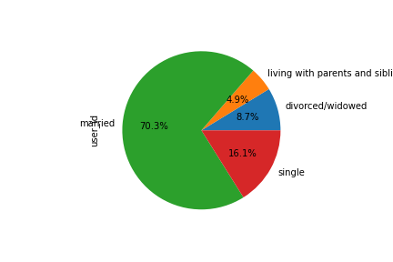
 |  |  |  | Instacart Grocery Analysis

Visualisations

In this tab you should include all the visualtions from Exercises 4.9 and 4.10, alongside the questions from the project brief that they answer. Include any commentary on the relationship between different variables.

The sales team needs to know what the busiest days of the week and hours of the day are in order to schedule ads at times when there are fewer orders.

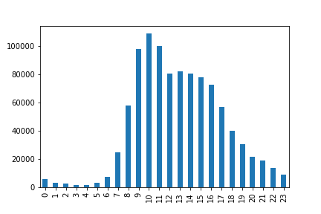
 |  |  | Number of orders by hour of the day
 |  | Number of Orders by Day of the Week

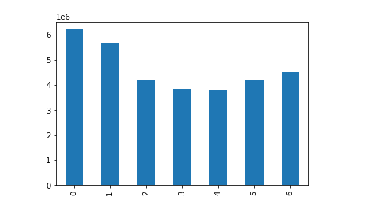

 | The above graph shows that Saturdays and Sundays are the busiest days of the week |  | The busiest hours of the day are between 9-11am, with shopping declining steadily after 5pm.
 | 0 = Saturday and Friday = 6.

 | They also want to know whether there are particular times of the day when people spend the most money, as this might inform the type of products they advertise at these times.

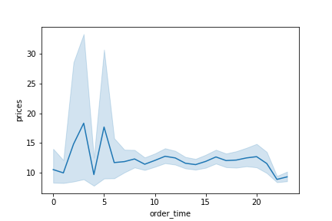
 | Customers spend the most approximately between 2 and 7am.

 | Instacart has a lot of products with different price tags. Marketing and sales want to use
 | simpler price range groupings to help direct their efforts.

 | Most of the products are priced between 1 and 15, with very few products more expensive.

 |  |  | The majority of products are mid-range, nearly 64% of them, with 35% being low-range.
 |  |  | Only 1% of goods are high-range products, i.e. anything above >15

 |  |  | Price Range of Products

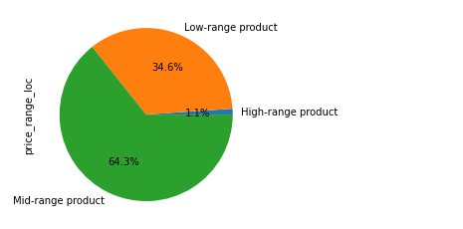

 | Are there certain types of products that are more popular than others?

 | Most popular products are produce, dairy eggs, beverages, and snacks.

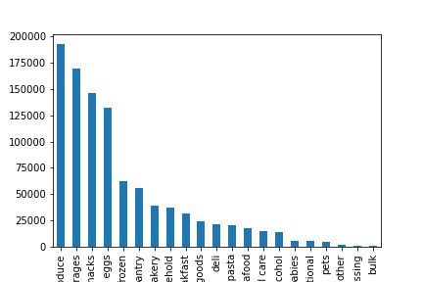

 | What’s the distribution among users in regards to their brand loyalty (i.e., how
 | often do they return to Instacart)?

 | Nearly half of all customers are regular customers, with nearly 40% being loyal customers

 | Customer Loyalty
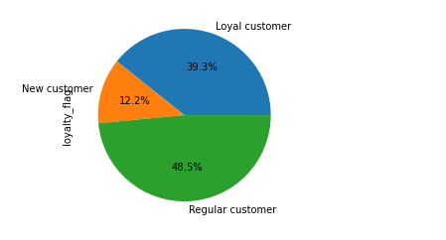

 | Are there differences in ordering habits based on a customer’s region?

 | The differences by region in terms of spending habits are nearly non-existant. Slight variation in "babies" category, but this may be due to my sample size of 1,000,000 instead of the entire dataset.

 | Orders per Department by Regional Differences

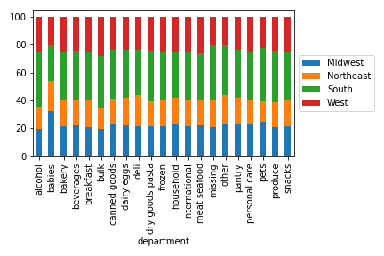

 | What different classifications does the demographic information suggest? Age? Income? Certain types of goods? Family status?

 | Customer incomes are relatively stable between 20 and 40 years of age. Once at age 40, the salary jump sfrom approx. 40k to 60k, and then remains relatively stable thereafter.

 | Income and Age of Customers
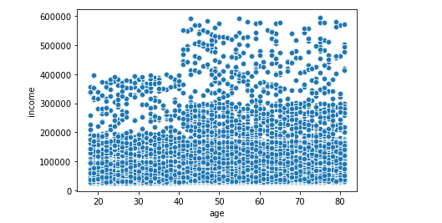

 | Customers by generational groupings

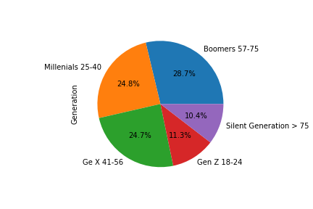

 | Customers by Income Brackets: Majority of customers are middle or wealthy class. The top 10% account for only 1% of all sales.

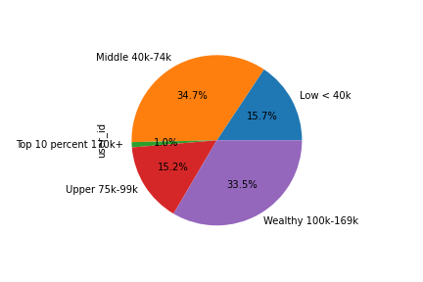

 | Customers by Family Status - Overwhelming majority (70%) of customers are married

7. Recommendations
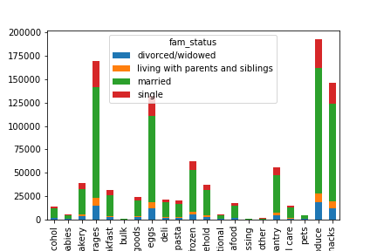
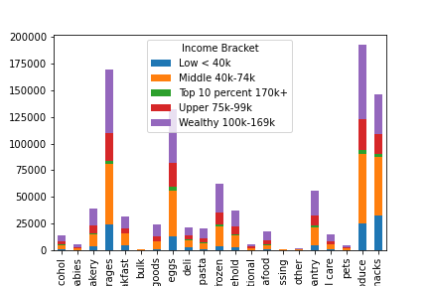
 |  |  | Instacart Grocery Analysis

Recommendations

In this tab you should include any recommendations you would made to Instcart in terms of their marketing strategy based on the questions posed in the brief. Every key question has been covered in the Tasks of the Exercises - here you need to add an item - a visualisation or table/crosstable that is showing the answer in the data, acompanied by a comment from you. Please, list the questions below and add the answer underneath.

Question
Key Question 1 - the sales team needs to know what the busiest days of the week and hours of the day are (i.e., the days and times with the most orders) in order to schedule ads at times when there are fewer orders.

Answer
The busiest day of the week is Saturday, Sunday, and Friday with peak buying times between 9 and 11 am.

Recommendation
Instacart should consider an advertisement campaign with discounts on days of the week or at certain hours of the week when business is lower to encourage more shoppers to consider buying outside of peak shopping times.

 | Number of Orders by Day of the Week | Number of orders by hour of the day

Key Question 2 - They also want to know whether there are particular times of the day when people spend the most money, as this might inform the type of products they advertise at these times.

Answer - Customers spend the most around 2am and 7am.

Recommendation
Focus advertising on earlier times of the day - especially focusing on weekends when usage is increased.

Key Question 3 - 3. Instacart has a lot of products with different price tags. Marketing and sales want to use simpler price range groupings to help direct their efforts.

Answer - Key product range will be mid-range and low-range items. High-range products only account for 1.1% of all products sold.

Recommendation - Focus on primarily mid-range product lines (5-15 ) as well as low-range (< 5) as these collectively make up for 99% of all products, with the former 64% and the latter 35%.

Key Question 4 - Are there certain types of products that are more popular than others? The marketing and sales teams want to know which departments have the highest frequency of product orders.

Answer - Top products sold are produce, dairy eggs, snacks, and beverages with this being largely the same amongst all age groups.

Recommendation - continued focus on top products sold. For age groups where the sales may be somewhat lower, consider offering targetted advertising towards these groups to increase their share in sales.

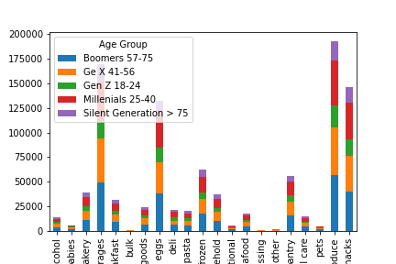

Key Question 5 - The marketing and sales teams are particularly interested in the different types of customers in their system and how their ordering behaviors differ. For example:
A. What’s the distribution among users in regards to their brand loyalty (i.e., how often do they return to Instacart)?
B. Are there differences in ordering habits based on a customer’s loyalty status?
C. Are there differences in ordering habits based on a customer’s region?
D. Is there a connection between age and family status in terms of ordering habits?

Answer 5a - Brand loyalty of loyal customers is approximately 39%, whereas regular customers account for nearly half. New customers is around 12% of all customers

Answer 5b - Results show that frequent customers are loyal and regular spend the most.

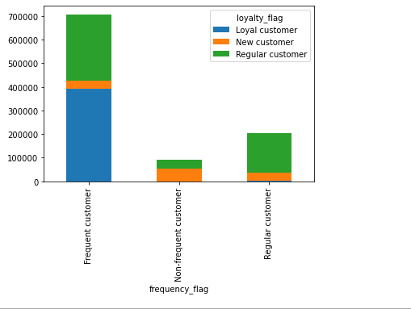

Answer 5c - Customers spend approximately the same (with very minor differences) regardless of their region.

Key Question 7

Asnwer 5d - Boomers, Gen X, and Millenials tend to spend the most, with married couples accounting for nearly 70% of all orders.

Recommendations for 5a-5d - Instacart should continue to focus on married couples and the largest populations, which are currently Boomers, Gen X, and Millenials and therefore these age groups also account for the majority of the business. Moreover, these age groups are between 25-60. Such age groups are more likely to be married, have a steady job, and maybe have kids, dog, cat, other expenses. As such, Instacart should continue to target these groups as they have the largest incomes, account for the majority of the market, and tend to be loyal or regular customers. Potentially consider a targetted campaign to those who belong to Gen Z but are about to turn 25+, as it's likely they will have increasing incomes, married, or have a family (i.e. kids, dogs, cats, etc).
Key Question 6 - What different classifications does the demographic information suggest? Age? Income? Certain types of goods? Family status?

Answer - This can be partially answered with the graphs above and maybe was slightly touched upon for the recommendation for Answers 5a-5d.
The most valuable customers are those between 25-60 (i.e. Gen X, Millenials, Boomers) as they account for over 75% of all sales, have incomes between 40k and 170k (aprox. 75% of all sales) and are married (70% of all sales)

Key Question 7 - What differences can you find in ordering habits of different customer profiles? Consider the price of orders, the frequency of orders, the products customers are ordering, and anything else you can think of.

Answer - Regardless of income bracket or familial status - all customers purchase significant amounts of produce, dairy eggs, beverages, and snacks.
This would make sense since everyone who goes grocery shopping would tend to buy things like produce, milk, eggs, cheese, etc. and then followed by something to drink (water, juices, beer, wine, etc)

